Blatt 1
Tabelle 1
 | MR application | Web application | App | Web
1 | 0.75 | 0.91666667 | 37.50% | 62.5%
2 | 1 | 0.91666667 | 25.00% | 25%
3 | 0.875 | 0.91666667 | 33.33% | 16.67%
4 | 0.8125 | 0.91666667 | 28.57% | 42.86%
5 | 0.4375 | 0.75 | 37.50% | 62.50%
6 | 0.75 | 0.79166667 | 0.00% | 33.33%
7 | 0.875 | 0.83333333 | 0.00% | 42.86%
8 | 0.9275 | 0.91666667 | 28.57% | 0.00%
9 | 0.8125 | 0.91666667 | 16.67% | 12.50%
10 | 0.9375 | 0.66666667 | 50.00% | 25.00%
11 | 1 | 0.95833333 | 37.50% | 50.00%
12 | 0.9375 | 0.95833333 | 14.29% | 75.00%
13 | 0.875 | 0.79166667 | 0.00% | 16.67%
14 | 0.875 | 0.83333333 | 28.57% | 33.33%
15 | 1 | 0.79166667 | 50.00% | 16.67%
16 | 0.9375 | 0.875 | 14.29% | 42.86%
17 | 0.9375 | 0.66666667 | 75.00% | 25.00%
18 | 0.8125 | 0.83333333 | 28.57% | 57.14%
19 | 1 | 1 | 50.00% | 28.57%
20 | 0.9375 | 0.79166667 | 14.29% | 85.71%
21 |  |  | 0.00% | 14.29%
Median |  |  | 28.57% | 33.33%
Average |  |  | 27.13% | 36.59%
Min |  |  | 0.00% | 0.00%
Max |  |  | 75.00% | 85.71%

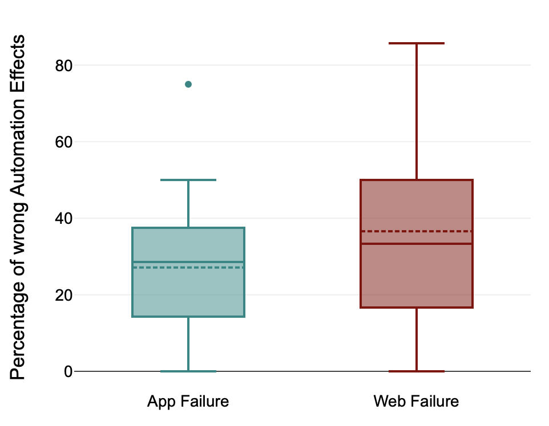

MR App
Web App

